SMASH WOMAN
Nº Palet | GÉNERO | FAMILIA | Estilo | Color | Talla |  | QTY
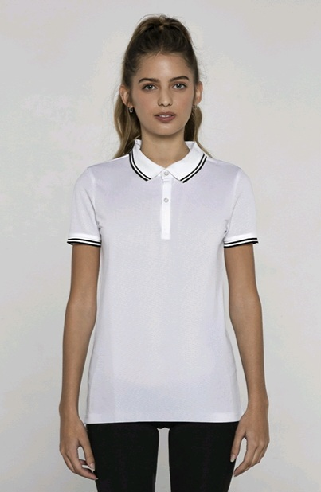
32 | WOMAN | CAMISETAS | SMASH_WOMAN | 02 BLACK | M | SMASH_WOMAN - BLACK | M | 50
60 | WOMAN | CAMISETAS | SMASH_WOMAN | 02 BLACK | M | SMASH_WOMAN - BLACK | M | 154
60 | WOMAN | CAMISETAS | SMASH_WOMAN | 02 BLACK | S | SMASH_WOMAN - BLACK | S | 83
32 | WOMAN | CAMISETAS | SMASH_WOMAN | 02 BLACK | XL | SMASH_WOMAN - BLACK | XL | 107
60 | WOMAN | CAMISETAS | SMASH_WOMAN | 02 BLACK | XS | SMASH_WOMAN - BLACK | XS | 107
32 | WOMAN | CAMISETAS | SMASH_WOMAN | 76 ROYAL FLUOR | L | SMASH_WOMAN - ROYAL FLUOR | L | 203
32 | WOMAN | CAMISETAS | SMASH_WOMAN | 76 ROYAL FLUOR | M | SMASH_WOMAN - ROYAL FLUOR | M | 89
60 | WOMAN | CAMISETAS | SMASH_WOMAN | 76 ROYAL FLUOR | M | SMASH_WOMAN - ROYAL FLUOR | M | 97
32 | WOMAN | CAMISETAS | SMASH_WOMAN | 76 ROYAL FLUOR | S | SMASH_WOMAN - ROYAL FLUOR | S | 118
32 | WOMAN | CAMISETAS | SMASH_WOMAN | 76 ROYAL FLUOR | XL | SMASH_WOMAN - ROYAL FLUOR | XL | 101
60 | WOMAN | CAMISETAS | SMASH_WOMAN | 76 ROYAL FLUOR | XS | SMASH_WOMAN - ROYAL FLUOR | XS | 100
32 | WOMAN | CAMISETAS | SMASH_WOMAN | 01 WHITE | M | SMASH_WOMAN - WHITE | M | 100
60 | WOMAN | CAMISETAS | SMASH_WOMAN | 01 WHITE | M | SMASH_WOMAN - WHITE | M | 42
61 | WOMAN | CAMISETAS | SMASH_WOMAN | 01 WHITE | M | SMASH_WOMAN - WHITE | M | 56
61 | WOMAN | CAMISETAS | SMASH_WOMAN | 01 WHITE | S | SMASH_WOMAN - WHITE | S | 102
32 | WOMAN | CAMISETAS | SMASH_WOMAN | 01 WHITE | XS | SMASH_WOMAN - WHITE | XS | 55
60 | WOMAN | CAMISETAS | SMASH_WOMAN | 01 WHITE | XS | SMASH_WOMAN - WHITE | XS | 49
...

